Sheet1
 | LADIES MULES |  |  |  |  |  |  |  |  |  | RRP
STYLE/NAME | DESC | COLOUR | 3 | 4 | 5 | 6 | 7 | 8 | TTL | COMMENTS
CIPRIATA L570AS / DANILLA | WEDGE MULE | BLACK | 48 | 114 | 214 | 274 | 166 | 88 | 904 | 18 CTNS X PREPACK (3/1 4/2 5/3 6/3 7/2 8/1)=12 BALANCE 688prs BLOCKED SIZED | £24.99

CIPRIATA L570TS / DANILLA | WEDGE MULE | TAN | 40 | 78 | 130 | 150 | 100 | 50 | 548 | 20 CTNS X PREPACK (3/1 4/2 5/3 6/3 7/2 8/1)=12 BALANCE 308prs BLOCKED SIZED | £24.99

CIPRIATA DANA 48033 | LADIES LOW MULE | BLACK | 65 | 128 | 195 | 195 | 130 | 65 | 778 | PRE PACKED 64X12 1X10 | £27.99
 |  |  |  |  |  |  |  |  |  | 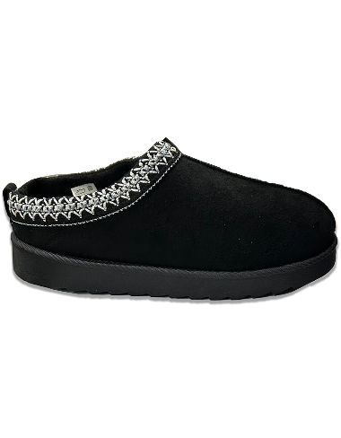
CIPRIATA DANA 48033 | LADIES LOW MULE | STONE | 38 | 74 | 114 | 114 | 76 | 38 | 454 | PRE PACKED 37X12 1X10 | £27.99
 |  |  |  |  |  |  |  |  | 2684 | 